TC_Production_Issue
 | Project Name: Renault-EW
Updated By:- | Jitendra |  | ReTestedBy:- | Jitendra |  | Developed By: | Vikash
Creation Date:- | 2020-07-01 |  | Retesting Date:-
Version: - |  |  | Module:- | Renault production issue |  | Power ID: | 11382
Test Case ID | Test Case Summary | Pre - Conditions | Test Case Steps | Test Data | Actual Result | Attachments/Links | Expected Result | Priority | Severaity | Status
TC_Production_Issue_01 | To verify if the Standard Warranty start Date and Warranty End Dates appearing while creating an EW Agreement is same as that of the Standard warranty start date and end date appearing in the middleware. | Dealer is already logged in. | 1) Create an agreement by entering a correct vin number. 2)Open the details of the entered vin in the middleware. 3)Closeley check the warranty start and warranty end date in both the dealer portal and middleware. | Vin :MEEBBA000G9413485,MEEBBA000H3483105 Arg No:RIP249143,RIP249144 | 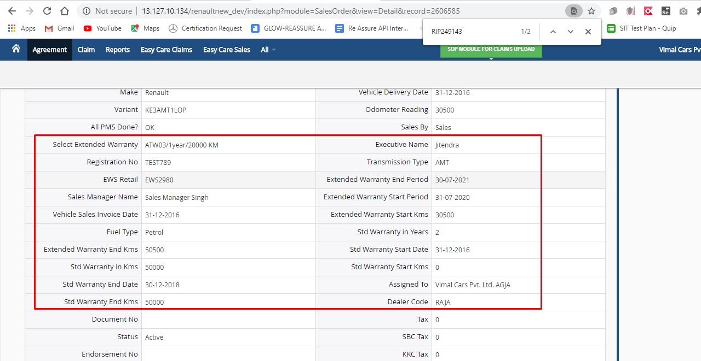 | 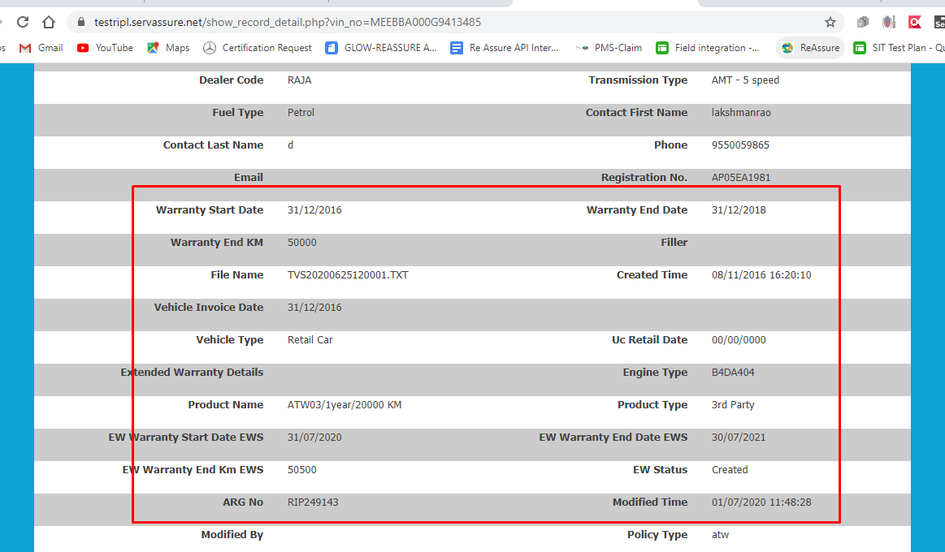 | Standard Warranty start Date and Warranty End Dates appearing while creating an EW Agreement should be same as that of the Standard warranty start date and end date appearing in the middleware. |  |  | Pass
TC_Production_Issue_02 | To verify if the Standard Warranty start KMS and END KMs appearing while creating an EW Agreement is same as that of the Standard warranty start KMS and End Kms appearing in the middleware. | Dealer is already logged in. | 1) Create an agreement by entering a correct vin number. 2)Open the details of the entered vin in the middleware. 3)Closeley check the warranty start and warranty end date in both the dealer portal and middleware. | Vin :MEEBBA000G9413485,MEEBBA000H3483105 Arg No:RIP249143,RIP249144 |  |  | Standard Warranty start KMS and END KMs appearing while creating an EW Agreement should be same as that of the Standard warranty start KMS and End Kms appearing in the middleware. |  |  | Pass
TC_Production_Issue_03 | To verify if the details of the Extended warranty after creating an EW Agreement has updated in the middleware or not. | Dealer is already logged in. | 1) Create an agreement by entering a correct vin number. 2)Open the details of the entered vin in the middleware. 3)Closeley check the extended warranty details in both portal and middleware. | Vin :MEEBBA000G9413485,MEEBBA000H3483105 Arg No:RIP249143,RIP249144 |  |  | details of the Extended warranty after creating an EW Agreement should get update in the middleware. |  |  | Pass

